02-11 R1
CHECKER STOCK REPORT
DATE ___________02/11/2025___________
ROUTE 1 | CB | CIB | CC | CIC | C10C | HTA | PAMB | PAMC | KRB | KRC | CBC | CBB | SDB | SDC | CNB | CLC | SMZB | SMLB | SMLC | FBA
 |  | 4 | 3 |  |  | 15/18B |  |  |  |  |  |  |  |  |  |  |  | 3/12B |  | 3/12B
1ST LOAD
2ND LOAD

FGS RETURNED |  | 4 | 1 |  |  | 4/10B |  |  |  |  |  |  |  |  |  |  |  | 3/12B |  | 3/12B
TOTAL SALES |  | 0 | 2 |  |  | 11/8B |  |  |  |  |  |  |  |  |  |  |  | 0 |  | 0

 | FBL | FBLY | FBAC | FBLC | FBLYC | PP | PPG | PL | PPC | RHS | RHP | RHL | RHC | RH500C | RHSL | SMFB | SMFC | GE320 | GEK | HSC
1ST LOAD |  |  |  |  |  | 2/12B |  | 48 |  |  | 3 | 361 |  |  | 15
2ND LOAD

FGS RETURNED |  |  |  |  |  | 12B |  | 25 |  |  | 3 | 104 |  |  | 13/5B
TOTAL SALES |  |  |  |  |  | 2 |  | 23 |  |  | 0 | 257 |  |  | 1/1B

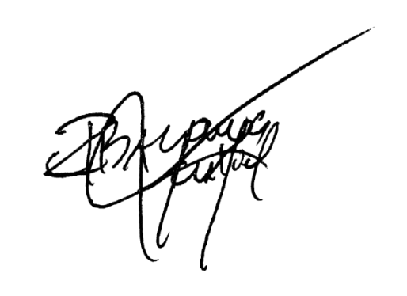
EMPTIES | PP |  |  | RHL/PL |  |  | RH5 |  |  | FBA/SML/RHS |  |  | MHT |  |  | REMARKS
 | COMPLETE | SHELL | BOTTLE | COMPLETE | SHELL | BOTTLE | COMPLETE | SHELL | BOTTLE | COMPLETE | SHELL | BOTTLE | COMPLETE | SHELL | BOTTLE
RETURNED | 2 |  | 8 | 321 | 4 | 5 | 1 |  | 9 | 1 | 5 | 20 | 8 | 6 | 25

TOTAL | 2 |  | 8 | 321 | 4 | 5 | 1 |  | 9 | 1 | 5 | 20 | 8 | 6 | 25 | SIGNATURE

02-11 R2
CHECKER STOCK REPORT
DATE ___________02/11/2025___________
ROUTE 2 | CB | CIB | CC | CIC | C10C | HTA | PAMB | PAMC | KRB | KRC | CBC | CBB | SDB | SDC | CNB | CLC | SMZB | SMLB | SMLC | FBA
 |  | 4 | 1 | 1 |  | 14/5B |  |  |  |  |  |  |  |  |  |  |  | 2/12B |  | 2
1ST LOAD
2ND LOAD

FGS RETURNED |  | 4 | 1 | 1 |  | 8/21B |  |  |  |  |  |  |  |  |  |  |  | 2/12B |  | 2
TOTAL SALES |  | 0 | 0 | 0 |  | 5/8B |  |  |  |  |  |  |  |  |  |  |  | 0 |  | 0

 | FBL | FBLY | FBAC | FBLC | FBLYC | PP | PPG | PL | PPC | RHS | RHP | RHL | RHC | RH500C | RHSL | SMFB | SMFC | GE320 | GEK | HSC
1ST LOAD |  | 1 |  |  |  | 4 |  | 39 |  | 2 | 15 | 240 |  |  | 14/1B |  |  |  | 4
2ND LOAD

FGS RETURNED |  | 1 |  |  |  | 4 |  | 23 |  | 2 | 12 | 54 |  |  | 10/5B |  |  |  | 4
TOTAL SALES |  | 0 |  |  |  | 0 |  | 16 |  | 0 | 3 | 186 |  |  | 3/2B |  |  |  | 0

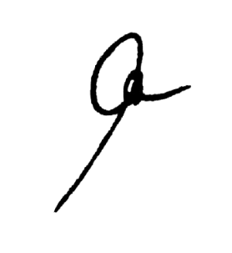
EMPTIES | PP |  |  | RHL/PL |  |  | RH5 |  |  | FBA/SML/RHS |  |  | MHT |  |  | REMARKS
 | COMPLETE | SHELL | BOTTLE | COMPLETE | SHELL | BOTTLE | COMPLETE | SHELL | BOTTLE | COMPLETE | SHELL | BOTTLE | COMPLETE | SHELL | BOTTLE
RETURNED |  | 1 | 2 | 233 | 2 | 6 | 3 | 1 | 2 |  |  | 41 | 2 | 6 | 21

TOTAL |  | 1 | 2 | 233 | 2 | 6 | 3 | 1 | 2 |  |  | 41 | 2 | 6 | 21 | SIGNATURE

